Diagrams
BMS5C Temperature
 | Unprotected beam | Protected beam | Slab
0 | 20 | 20 | 20
1 | 349.21366576 | 250.44956603 | 168.14614959
2 | 444.50487788 | 317.15341451 | 211.02719504
3 | 502.28930299 | 357.60251209 | 237.03018635
4 | 543.88730926 | 386.72111648 | 255.74928917
5 | 576.41043057 | 409.4873014 | 270.38469376
6 | 603.11764761 | 428.18235333 | 282.40294142
7 | 625.77682521 | 444.04377764 | 292.59957134
8 | 645.45510804 | 457.81857563 | 301.45479862
9 | 662.84638674 | 469.99247072 | 309.28087403
10 | 678.42733151 | 480.89913206 | 316.29229918
11 | 692.53955229 | 490.7776866 | 322.64279853
12 | 705.43624832 | 499.80537383 | 328.44631174
13 | 717.31030818 | 508.11721573 | 333.78963868
14 | 728.312063 | 515.8184441 | 338.74042835
15 | 738.56095276 | 522.99266693 | 343.35242874
16 | 748.15345005 | 529.70741504 | 347.66905252
17 | 757.16859567 | 536.01801697 | 351.72586805
18 | 765.67196077 | 541.97037254 | 355.55238235
19 | 773.71854363 | 547.60298054 | 359.17334463
20 | 781.35492723 | 552.94844906 | 362.60971725
21 | 788.62091309 | 558.03463916 | 365.87941089
22 | 795.55077689 | 562.88554383 | 368.9978496
23 | 802.1742463 | 567.52197241 | 371.97841083
24 | 808.51727161 | 571.96209013 | 374.83277222
25 | 814.60263981 | 576.22184787 | 377.57118791
26 | 820.45046871 | 580.3153281 | 380.20271092
27 | 826.07860818 | 584.25502572 | 382.73537368
28 | 831.50296875 | 588.05207812 | 385.17633594
29 | 836.73779275 | 591.71645493 | 387.53200674
30 | 841.79587969 | 595.25711578 | 389.80814586
31 | 846.68877475 | 598.68214232 | 392.00994864
32 | 851.42692755 | 601.99884928 | 394.1421174
33 | 856.01982651 | 605.21387856 | 396.20892193
34 | 860.47611323 | 608.33327926 | 398.21425095
35 | 864.80368037 | 611.36257626 | 400.16165617
36 | 869.00975575 | 614.30682903 | 402.05439009
37 | 873.10097501 | 617.17068251 | 403.89543876
38 | 877.08344457 | 619.9584112 | 405.68755006
39 | 880.96279645 | 622.67395752 | 407.4332584
40 | 884.74423618 | 625.32096533 | 409.13490628
41 | 888.43258479 | 627.90280935 | 410.79466316
42 | 892.0323158 | 630.42262106 | 412.41454211
43 | 895.5475878 | 632.88331146 | 413.99641451
44 | 898.98227336 | 635.28759135 | 415.54202301
45 | 902.33998466 | 637.63798926 | 417.0529931
46 | 905.62409632 | 639.93686743 | 418.53084335
47 | 908.83776582 | 642.18643607 | 419.97699462
48 | 911.98395168 | 644.38876618 | 421.39277826
49 | 915.06542988 | 646.54580092 | 422.77944345
...

BMS5C Displacements
 | Node 28 | Node 35 | Node 4 | Node 67 | Central node
0 | -0.13599627062 | -0.13599627062 | -0.20260848452 | -0.20260848452 | -0.41511470304
0 | -0.2720603484 | -0.2720603484 | -0.40528554424 | -0.40528554424 | -0.83040764947
0 | -0.40819217231 | -0.40819217231 | -0.60803127785 | -0.60803127785 | -1.2458783432
0 | -0.54439169803 | -0.54439169803 | -0.8108458251 | -0.8108458251 | -1.6615263804
0 | -0.68065888079 | -0.68065888079 | -1.0137293255 | -1.0137293255 | -2.0773513558
0 | -0.81699367532 | -0.81699367532 | -1.216681918 | -1.216681918 | -2.4933528622
0 | -0.95339603584 | -0.95339603584 | -1.4197037415 | -1.4197037415 | -2.9095304908
0 | -1.0898659161 | -1.0898659161 | -1.6227949344 | -1.6227949344 | -3.3258838307
0 | -1.2264032692 | -1.2264032692 | -1.8259556345 | -1.8259556345 | -3.7424124693
0 | -1.3630080478 | -1.3630080478 | -2.0291859795 | -2.0291859795 | -4.1591159924
0.125 | -3.9082154972 | -3.9090030189 | -8.879932774 | -8.8862118979 | -18.525308747
0.25 | -4.8539033399 | -4.856308196 | -12.947518358 | -12.949510812 | -25.571153089
0.375 | -5.6975437067 | -5.6995693005 | -15.929810186 | -15.931150161 | -31.142464654
0.5 | -6.3865465254 | -6.3886401028 | -18.301727087 | -18.302535572 | -35.660308798
0.625 | -6.9677720087 | -6.9699544425 | -20.277009527 | -20.277553986 | -39.443146701
0.75 | -7.4727827926 | -7.4750736001 | -21.974412009 | -21.974768386 | -42.705883111
0.875 | -7.9165096613 | -7.9189863338 | -23.466643704 | -23.467132985 | -45.560423698
1 | -8.3165388828 | -8.3191832729 | -24.796954014 | -24.797549216 | -48.132336198
2 | -10.155768019 | -10.162183575 | -34.283352988 | -34.286964217 | -82.116490026
3 | -11.373855588 | -11.381978509 | -40.914754362 | -40.930772992 | -110.17379379
4 | -12.456979233 | -12.466062021 | -44.14478397 | -44.168260911 | -115.32977553
5 | -13.339453972 | -13.348145317 | -46.641805399 | -46.667041065 | -118.6773371
6 | -14.086312069 | -14.094618212 | -48.397921753 | -48.42433943 | -120.86792103
7 | -14.719497957 | -14.727425814 | -50.026550969 | -50.054382003 | -123.08489776
8 | -15.301162008 | -15.308752606 | -51.340862322 | -51.369637071 | -124.80694643
9 | -15.836577639 | -15.843709203 | -52.317789042 | -52.347315364 | -126.16063132
10 | -16.329972234 | -16.336525432 | -53.008152166 | -53.039235185 | -127.11415103
11 | -16.787296741 | -16.793340134 | -53.479031162 | -53.510529935 | -127.70658838
12 | -17.199674709 | -17.205319578 | -54.073298911 | -54.105425115 | -128.754246
13 | -17.694531556 | -17.700118267 | -55.518642346 | -55.551162738 | -131.09476808
14 | -18.170018704 | -18.175462103 | -56.943115229 | -56.974493311 | -133.34535712
15 | -18.620775579 | -18.626072147 | -58.298136436 | -58.33252691 | -135.41251228
16 | -19.042043653 | -19.04732831 | -59.548984415 | -59.584214883 | -137.24770579
17 | -19.455719034 | -19.460920137 | -60.592481901 | -60.62973647 | -138.07457434
18 | -19.859827597 | -19.864910299 | -61.564588195 | -61.602343866 | -138.69548947
19 | -20.253285029 | -20.258252885 | -62.510797961 | -62.550221371 | -139.30737641
20 | -20.635288055 | -20.640184333 | -63.464938079 | -63.50483808 | -139.95704083
21 | -21.008303258 | -21.013161285 | -64.413455575 | -64.453634078 | -140.6156452
22 | -21.374234443 | -21.379077266 | -65.35720794 | -65.400435294 | -141.29462563
23 | -21.732808125 | -21.737706749 | -66.352880266 | -66.396285613 | -141.98130196
24 | -22.083679685 | -22.088659623 | -67.41229134 | -67.456521181 | -142.70204377
25 | -22.430212839 | -22.435279633 | -68.480925358 | -68.52625462 | -143.41979546
26 | -22.772434411 | -22.777601793 | -69.556642228 | -69.603063195 | -144.1419525
27 | -23.107119462 | -23.112431094 | -70.637114034 | -70.684388856 | -144.84374789
28 | -23.44025824 | -23.445710459 | -71.720283928 | -71.768367777 | -145.55113324
29 | -23.772484341 | -23.778076023 | -72.805758079 | -72.854909174 | -146.25904601
30 | -24.105547438 | -24.111309724 | -73.904668113 | -73.954810824 | -146.9826723
31 | -24.446957464 | -24.452945008 | -75.037532406 | -75.088644076 | -147.74543764
32 | -24.737560124 | -24.743709809 | -75.953017953 | -76.004864522 | -148.33958965
33 | -24.992194688 | -24.998450771 | -76.719661681 | -76.772108401 | -148.82059662
...

BMS5C Axial force at central-node
 | Beam 8 | Beam 9
0 | -17131.292468 | -21092.860857
0 | -34273.228792 | -42199.015349
0 | -51425.802262 | -63318.441294
0 | -68588.996002 | -84451.112601
0 | -85762.793051 | -105597.00303
0 | -102947.17634 | -126756.08618
0 | -120142.1287 | -147928.33553
0 | -137347.63283 | -169113.7244
0 | -154563.67135 | -190312.22594
0 | -171790.22676 | -211523.8132
0.125 | 218794.74431 | 191301.80293
0.25 | 451430.6969 | 436083.14803
0.375 | 595647.16059 | 583018.42112
0.5 | 699771.93515 | 688430.42463
0.625 | 779609.18517 | 769291.75896
0.75 | 838959.57926 | 828126.3553
0.875 | 885685.93775 | 874360.75546
1 | 912227.54811 | 890972.56841
2 | 528781.93667 | 512317.55162
3 | 504852.19082 | 575555.37068
4 | 602203.30115 | 670864.15381
5 | 638100.82399 | 703447.88869
6 | 639488.77698 | 701446.63995
7 | 633824.25468 | 691384.96271
8 | 613093.92536 | 661680.76126
9 | 580439.02512 | 615939.7393
10 | 546846.61599 | 571634.49623
11 | 503558.57068 | 524971.49566
12 | 467527.53746 | 486615.36321
13 | 442553.03274 | 460074.21494
14 | 420220.11663 | 436528.71357
15 | 398337.70003 | 413875.62354
16 | 376470.21041 | 391268.63686
17 | 351137.96183 | 364572.43362
18 | 324726.93778 | 336798.15317
19 | 299156.51889 | 309940.21226
20 | 279734.19905 | 289358.32037
21 | 262819.13113 | 271365.64664
22 | 246737.26126 | 254266.36044
23 | 232266.05424 | 239029.80921
24 | 219924.63787 | 225951.71462
25 | 208189.41601 | 213595.12942
26 | 196922.52429 | 201737.25305
27 | 186384.40147 | 190595.8371
28 | 176027.50039 | 179670.58462
29 | 164927.61784 | 168119.36104
30 | 154235.45646 | 157008.44904
31 | 143738.56922 | 146164.24106
32 | 134417.80268 | 136509.71559
33 | 125973.69282 | 127740.69381
...

Deflected shape
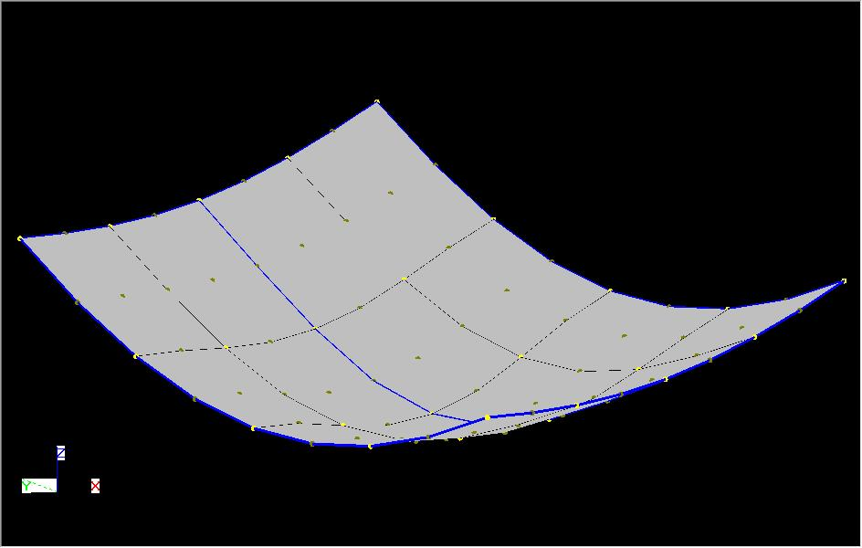
BMS5 - Coarse

NB. This displacments shown above are scale by a factor of 10 in all direction.

